Site name
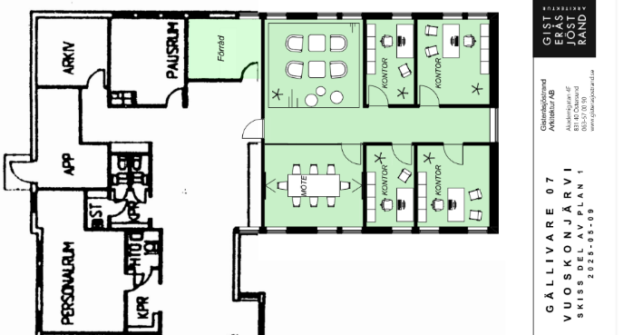
SITE: | Gällivare | GEV |  | Moving to new facility 1/6
Address: | Vuoskonjärvivägen 13, 982 38 Gällivare | Category C
Floor 1 (ground floor = 1) |  | Internet: 4G router

VIDEO:
belongsto | product | Notes
Reused equipment from KRN | Cisco Mini |  | SE.CONF.KRN.Dundret@atea.se |  | Mounts and install later because of move.

PRINT
Function | product | mac | serial | Notes
MFP | HP LaserJet Enterprise M607dn | xxxxxxxxxx | CNBVL2T156 | Will not be migrated, use locally

NETWORK
Position on map* | product | mac | serial | New name / label on device | Notes
Legacy SW | WS-C2960S-24PS-L
Legacy AP | 2702I-E-K9
N/A | C1161X-8PLTEP | 24-71-21-BB-31-80 | FVT3007L2JD |  | Ordered 26.02.02
N/A | C9300X-48HXN-A | 34:C3:FD:B8:2C:80 | FVH2940LED2 | ntni-acc-001-SEGEV | Delivered new from VST VLAN 1 MAC should be 34:C3:FD:B8:2C:C7
1 | C9130AXI-E | 0c-75-bd-af-d6-f8 | KWC235108AV | ntni-wap-001-SEGEV | Reuse from ETU | Port 25
* use the map below to add positions

Function | product | mac | Notes
Internet | Yealink panel (stand alone)
Internet | Flowscape GW
IOT | Alarm + Passage (Larmsändare + Passercentral)
Staging (port 11+12 in SW) | Staging place
Internet | INFO screen | B8:A0:B8:52:94:B7 |  | Port 13
Internet | Ventilation
Internet | Payment equipment
Internet | Franko machine
Corporate network | Visiting app / system
Internet | Zebra ZD 410 (BT)
Staging (port 11+12 in SW) | 2 ports |  |  | Port 11 + 12

MAP
Floor 1:

